π_pm
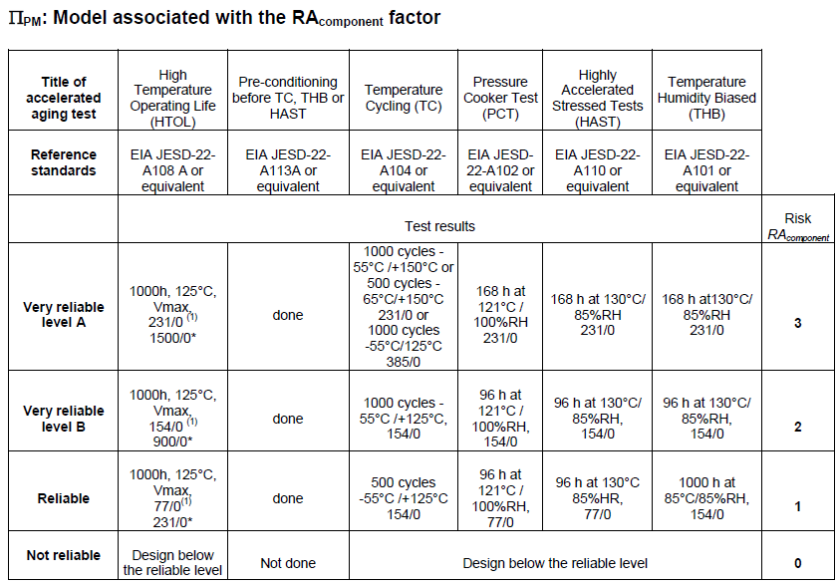
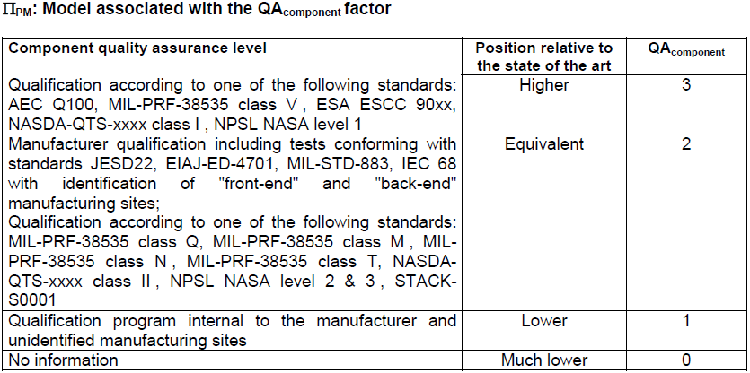
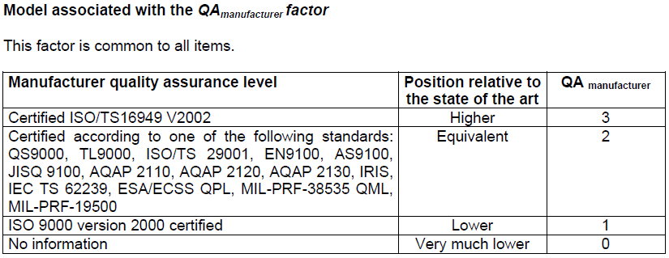
Pamameter name | Description | Values | Unit | Note
QAmanufacturer | Quality values | 3 | - | - | → IATF16949対応のため、「3」を選択
QAcomponent | qualification methodology is relateve position to the state of the art | 3 | - | - | → AEC-100 対応のため、「3」を選択
RAcomponent | quantified as a function of the results and the severity of tests | 0 | - | - | → AEC-100 Grade2対応のため、「0」を選択
ε | the importance of knowledge of suppliers in component reliability | 4 | - | - | → 成熟されたプロセスを使用しているため、「4」を選択
Part_Grade | the component manufacturing factor | 0.66666666667 | - | - | → Part_Grade=(Qamanufacturer+Qacomponent+Racomponent)*ε/36, P104
ΠPM | the component manufacturing factor | 0.79718646683 | - | - | → ΠPM=exp(1.39*(1-Part_Grade)-0.69)

π_process
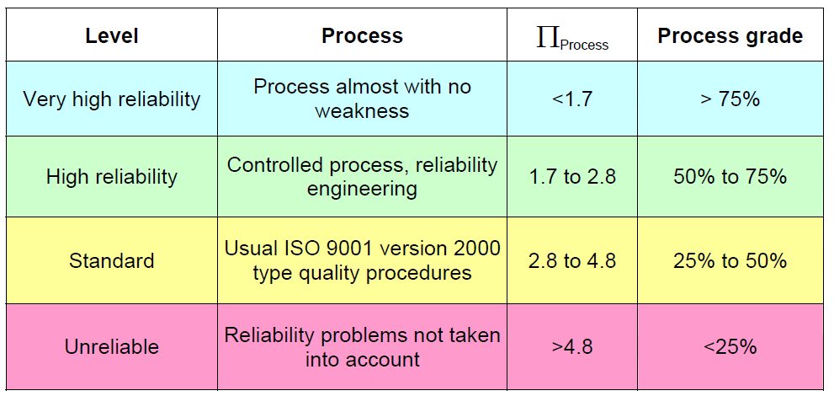
Pamameter name | Description | Values | Unit | Note
Process_Grade | Audit score | 0.5 | - |  | →監査が必要であるが、50%対応できたと仮定した値を記入している
Πprocess | factors of the development, manufacturing and operating process for the product | 2.8278027594 | - | - | →Πprocess=exp(2.079*(1-Process_Grade))

